Instructions
Cash Request Summary |  |  | V2
Instructions

Information in example images are for illustrative purposes only.

1. | Enter the grant details below as shown on the Standard Agreement:

 |  | Grantee Entity Name:
 |  | Contract Number (##–PGP–#####):

2. | In the top rows of the Cash Request Summary tab, input each Objective and their Estimated Cost from the grantee's latest approved application (see application Schedule F: Project Timeline and Budget).

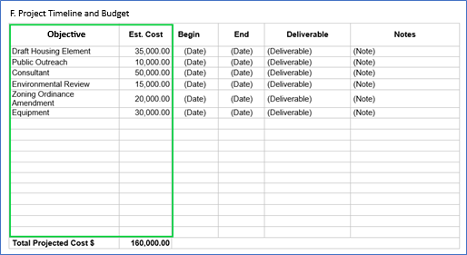
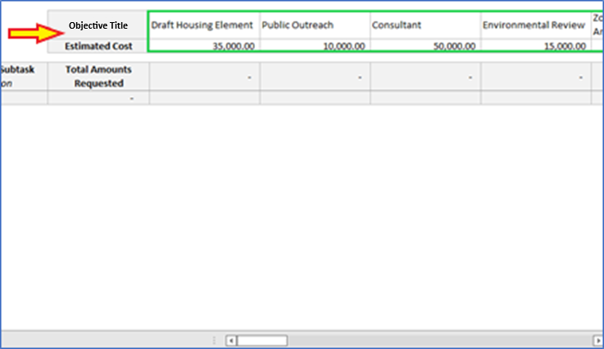

3. | A Request for Reimbursement of Funds (RRF) Package contains a completed RRF form attached with documents supporting the program expenses being requested for reimbursement (wage reports, purchase orders, invoices, etc.). After preparing the RRF Package, proceed to the Cash Request Summary to input information related to each supporting document attached to the RRF form. Using dropdown selections provided in the far left column, select the applicable Document Type under Cash Request 1, and input information in the Document ID and Work Performed / Subtask columns for each document.

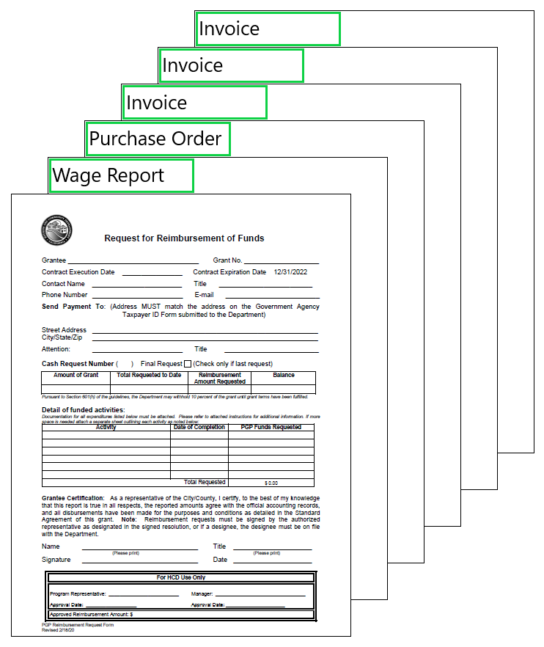
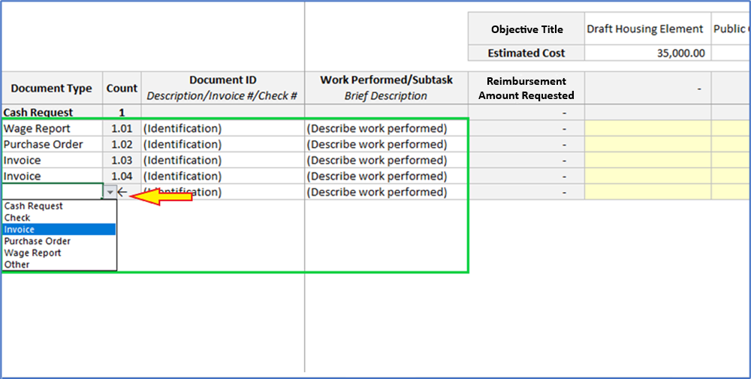

4. | Input amounts being requested for reimbursement from each document that correspond to the Objectives inputted in Step 3. When complete, the Cash Request number and the Reimbursement Amount Requested should match on both the Cash Request Summary and RRF form.

 | Note:
 | a. | Amounts inputted on the Cash Request Summary should be located on the document attached in the RRF Package. It is recommended to highlight the amount on the document for reference. If the amount is not explicitly shown on the document, note on the document how the amount was calculated or determined.
 | b. | List each supporting document only once on the Cash Request Summary. If one document contains costs that apply to multiple Objectives, multiple amounts should be inputted in the same row under each applicable Objective.
 | c. | Total amounts requested for reimbursement for each Objective should not exceed budgeted amounts (as approved on the Timeline and Budget) by more than 5%.

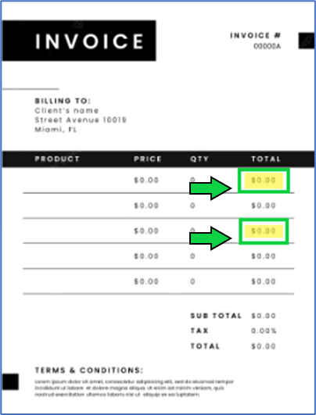
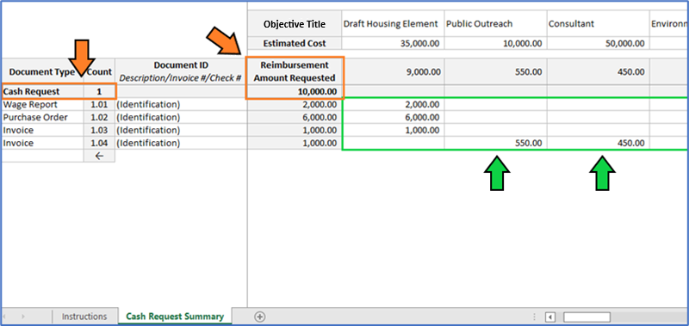
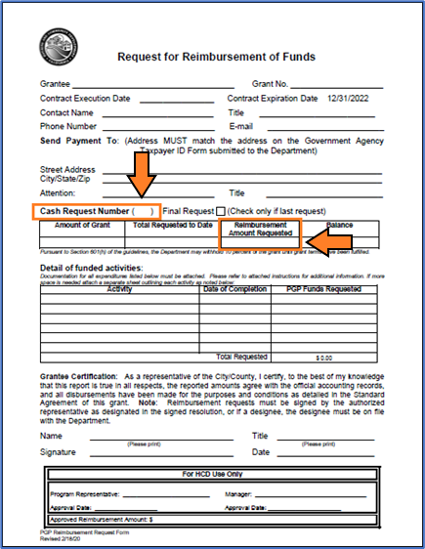

5. | Upon completion, submit the RRF Package PDF and Cash Request Summary Excel file as email attachments to sb2reimbursements@hcd.ca.gov.
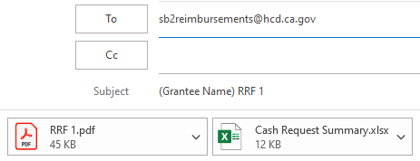

6. | When preparing subsequent RRF Packages, select the Cash Request Document Type on the next available row of the Cash Request Summary, and repeat Steps 3–5 above. Maintain the same Cash Request Summary for the entire grant expenditure, and submit the updated Excel file with each new RRF Package. With submission of each new RRF Package, Cash Request Summary details for previously submitted requests should remain unchanged.
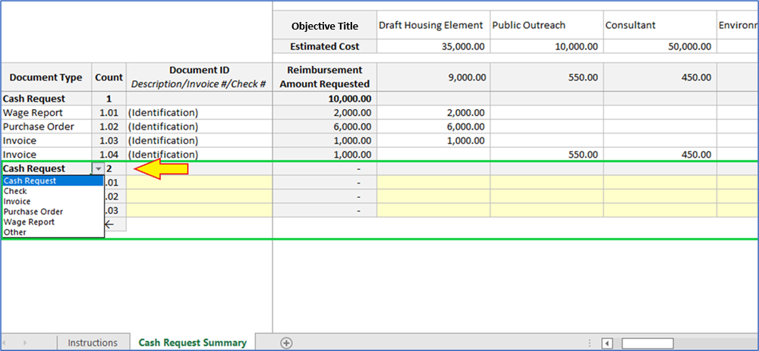

 | For questions, please email sb2reimbursements@hcd.ca.gov.

