LGMG Cover Page
Excess Sites Local Government Matching Grants Program
Notice of Funding Availability (NOFA) November 15, 2022

Application Workbook

Rev. | 11/9/2022 v1

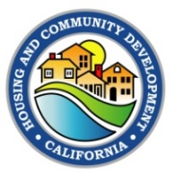

State of California
Governor Gavin Newsom

Lourdes M. Castro Ramirez, Secretary
Business, Consumer Services and Housing Agency

Gustavo Velasquez, Director
Department of Housing and Community Development

2020 West El Camino Avenue
Sacramento, CA 95833
 |  |  | Email: |  | ExcessSitesMatch@hcd.ca.gov
 |  | Website: |  | https://hcd.ca.gov/grants-funding/active-funding/lgmg.shtml

