Cover Page
No Place Like Home (NPLH)

Alternative Process County Annual Monitoring Report

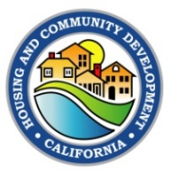

State of California
Governor Gavin Newsom

Tomiquia Moss, Secretary
Business, Consumer Services and Housing Agency

Gustavo Velasquez, Director
Department of Housing and Community Development

651 Bannon Street, 8th Floor
Sacramento, CA 95811
Phone: (916) 263-2771
Email: AMCBranch-APC@hcd.ca.gov
Website: https://www.hcd.ca.gov/grants-funding/already-have-funding/all-rental-projects.shtml

February 2025

