REAP 2.0 Cover Page
Regional Early Action Planning Grants of 2021 (REAP 2.0)
Full Application for the Higher Impact Transformative (HIT) Allocation
State of California
Governor Gavin Newsom
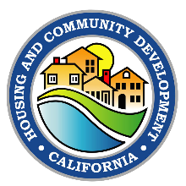   
November 2022
Website: https://www.hcd.ca.gov/grants-and-funding/programs-active/regional-early-action-planning-grants-of-2021
Email: REAP2021@hcd.ca.gov

