REAP 2.0 Cover Page
Regional Early Action Planning Grants of 2021 (REAP 2.0)
Full Application for Metropolitan Planning Organizations
State of California
Governor Gavin Newsom
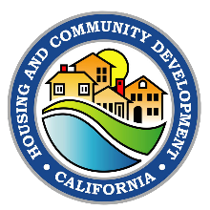 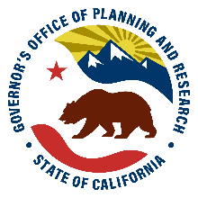 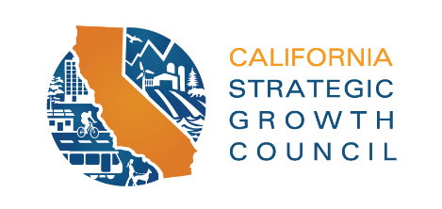 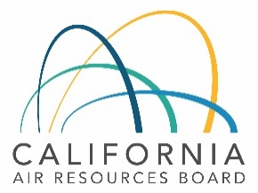
August 2022
Website: https://www.hcd.ca.gov/grants-and-funding/programs-active/regional-early-action-planning-grants-of-2021
Email: REAP2021@hcd.ca.gov

